Sheet1
 |  | Document No. | Issue No. | Issue Date |  | Review and Replace Date |  |  | Authorised By
 |  | GFF174MC | 2 | 21.04.2020 |  | 22.02.2021 |  |  | Magda Shah
 |  | Document Title | 4 VEGETABLE SAMOSA 160G
Document amendments reason for change |  | Shelf life updated |  |  | Page 1 of 1 |  | Previous Issue Date | 21.04.2020 | Uncontrolled copy unless signed original

CVSAC-R6TEB | BOOTHS |  | 4 VEGETABLE SAMOSA 160G

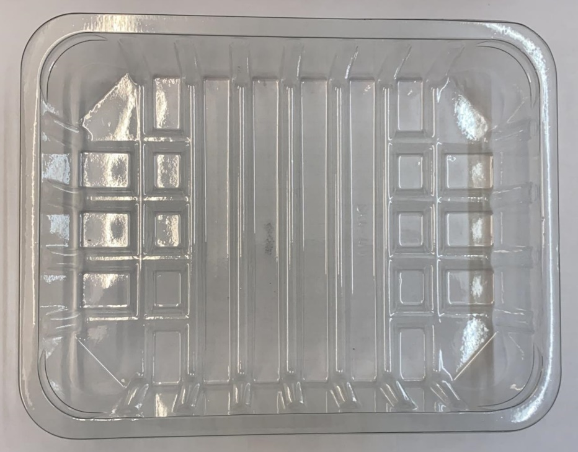 |  |  |  |  | 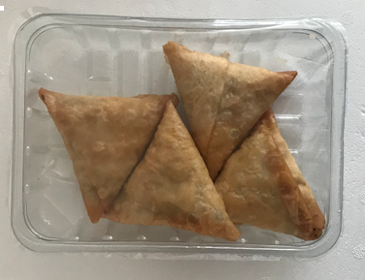

Tray: SK4-Plain Clear (PKESS001-07) |  |  |  |  | 4 x Vegetable Samosa (GFF003R): 40g
LINE 2: ME410AFV2, 410mm wide x 1000m linear PET Antifog WELD seal (PKPRO001-12) |  |  |  |  | Total Weight: 160g
ALLERGY ALERT: WHEAT

